Home
 |  |  | PLEASE READ
There are a couple of important changes in this year's REF evaluation model. More detailed explanations of these changes can be found in the "Assumptions" and "Instructions" tabs. Review the information provided in this workbook prior to using. Changes include:
To simplify the economic model from previous years, there is now just one model to use for all projects. Diesels ON and Diesels OFF functions are captured by including the number of hours of Diesels OFF operations in the appropriate cell.
When using the model please remember to only change the values in the blue shaded cells.

Alaska Energy Authority
Renewable Energy Fund Program
Round 19
2026-07-13

Contact
Alaska Energy Authority
Conner Erickson | cterickson@akenergyauthority.org

Variables | Units (all $ are $2025)
Discount Rate | Annual | 3.0%

Sheet Name | Sheet Description
Instructions | Details the function of each cell in the model and appropriate inputs
999-Calc | Provides an area to record all underlying calculations for figures used in the model
Diesels ON | Model for calculating the benefit-cost ratio of a project which does not result in diesel generators being turned off
Diesels OFF | Model for calculating the benefit-cost ratio of a project which does result in diesel generators being turned off
Assumptions | Lists assumptions used by AEA in calculating project economics
Diesel Fuel Prices | Lists diesel generation fuel price projections for all fuel communities
Railbelt Price Worksheet | Lists fuel price projections and calculations for the Railbelt regions
Natural Gas Prices | Lists natural gas price projections
Carbon Pricing | Lists carbon price projections and methodology
Biomass Units | Provides biomass reference material and an area to record information and figures specific to the biomass project

Assumptions
 |  |  |  |  | Additional Assumptions for Wind Projects:
Assumptions by Technology Type - REF R19 |  |  |  |  | Here are the maximum capacity factors for each wind class. For reconnaissance and feasibility proposals, it is safe to use these maximums as the capacity factor assumptions. For design and construction proposals, use collected wind data and additional analysis that will better estimate actual production.
All estimates cost estimates are for the margin | O&M Rural | O&M Railbelt | Project Life | Notes
 | $ per year |  | years |  | Wind Class | 30-m Wind Speed | 50-m Wind Speed | REF XV Urban & >1MW | REF XV Urban & >1MW
Wind | 2% Capital Cost | $0.023/kWh | 20 | Rural--average of reported O&M. RB=Eva Creek 2019-2024 (GVEA filings to RCA) | 1 | 0-5.1 | 0-5.6
Hydro (Reservoir) | 1% Capital Cost | 1% Capital Cost/Year | 50 | Hydro RB is based on Bradley Lake O&M 2019 | 2 | 5.1-5.9 | 5.6-6.4 | 15.40% | 15.40%
Hydro (Run of River) | 1.35% Capital Cost | 1% Capital Cost/Year | 50 | Rural--average of reported O&M. | 3 | 5.9-6.5 | 6.4-7 | 19.70% | 19.70%
Hydrokinetic |  |  |  | No commercially available products | 4 | 6.5-7 | 7-7.5 | 24.00% | 24.00%
Biofuels |  |  | 20 |  | 5 | 7-7.4 | 7.5-8 | 28.00% | 28.00%
Biomass | 1.5% of Capital Cost |  | 20 | Rural=Average of reported O&M | 6 | 7.4-7.9 | 8-8.8 | 32.40% | 32.40%
Geothermal |  |  | 20 |  | 7 | >7.9 | >8.8 | 36.20% | 36.20%
Ocean/Tidal |  |  |  | No commercially available products
Solar PV | 2% Capital Cost | 1% Capital Cost/Year | 25 | Rural=Average of reported O&M | Wind cost per capacity estimates ($2023)
Solar Thermal |  |  | 20 |  | Project size (kW) | Wind installed cost
Gas |  |  | 20 |  | 50 | $38,223 | /kW
Intertie | 0.5% Capital Cost | 0.5% Capital Cost/Year | 50 | Rural=Average of Reported O&M RB consistent with Northern Intertie actual costs | 100 | $26,508 | /kW
Heat Recovery | 1% Capital Cost | 1% Capital Cost/Year | 20 |  | 500 | $12,440 | /kW
 |  |  |  |  | 1,000 | $9,382 | /kW
 |  |  |  |  | 2,000 | $7,276 | /kW
Default Fuel Displacement Assumptions |  |  |  |  | 5,000 | $5,430 | /kW
 | Electric | Heat |  |  | http://acep.uaf.edu/media/254003/WindPower_AlaskaCaseStudy_14986579.pdf
Railbelt North of Alaska Range | Fuel Oil, Coal (GVEA) | Fuel Oil
Railbelt South of Alaska Range | Natural Gas (CEA) | Natural Gas
Rural | Fuel Oil | Fuel Oil

NOTES on O&M and Fuel Price Model changes, PLEASE READ

Diesels ON - Diesels ON refers to projects where the base diesel powerhouse will be left on while renewable(s) are generating. Most projects that submit applications to the Renewable Energy Fund fall into this category. For these projects we assume zero change in the O&M costs associated with operating the diesel portion of the powerhouse.
Diesels OFF - Diesels OFF refers to projects where the base diesel powerhouse will be tuned off while the renewable(s) are generating. Generally, hydroelectric projects are the only renewable used for electric generation that will fall into this category. For these projects we assume savings from reductions in the O&M costs associated with the diesel side of the powerhouse. For early stage applications (e.g. feasibility) the diesel related O&M savings are calculated based on projected hours that the powerhouse will be off and assumed current run hours and converted into $/kWh. See calculations page.
There are no changes to assumptions related to O&M for heat projects.
Fuel prices are used to estimate benefits of renewable projects. The fuel prices used in this model are described below, all prices are held constant in real terms past 2050:
1. For communities where a PCE fuel cost is reported, the latest fuel price is applied as the base price and then the cost is escalated on an annual basis according to the corresponding annual increase in the West Texas Intermediate (WTI) crude price index forecast according to the most recent Energy Information Administration's (EIA) Energy Outlook (EO) (i.e., 2025 is available via https://www.eia.gov/outlooks/aeo/)
2. For rural communities where a PCE reported fuel price is not available, a proxy community was selected, principally based on geographic proximity.
3. For large communities not on PCE and without access to natural gas, AEA has contacted the community's utility to get the most recent fuel price. This most recent price is used as the basis for future escalation. The most recent EIA EO WTI crude price index forecast is then applied to estimate the future community fuel price.
4. Natural gas: See notes on "Natural Gas Prices" tab.

Project Phases | Name | Short Name | Definition
Phase I | Reconnaissance | Reconnaissance | A preliminary general study designed to ascertain whether a feasibility study is warranted
Phase II | Feasibility Analysis, Resource Assessment, Conceptual Design | Feasibility | Detailed evaluation intended to assess technical, economic, financial and operational viability and to narrow focus of final design and construction.
Phase III | Final Design and Permitting | Final Design | Project configuration and specifications that guide construction. Land use and resource permits and leases required for construction.
Phase IV | Construction, Commissioning, Operation and Reporting | Construction | Completion of project construction, start of operation and final commissioning. It also includes follow-up O&M reporting requirements.

Natural Gas Prices
Natural Gas Projections, 2025

 |  | 2022 | 2023 | 2024 | 2025 | 2026 | 2027 | 2028 | 2029 | 2030 | 2031 | 2032 | 2033 | 2034 | 2035 | 2036 | 2037 | 2038 | 2039 | 2040 | 2041 | 2042 | 2043 | 2044 | 2045 | 2046 | 2047 | 2048 | 2049 | 2050 | 2051 | 2052 | 2053 | 2054 | 2055 | 2056 | 2057 | 2058 | 2059 | 2060 | 2061 | 2062 | 2063 | 2064 | 2065 | 2066 | 2067 | 2068 | 2069 | 2070 | 2071 | 2072 | 2073 | 2074 | 2075 | 2076 | 2077 | 2078 | 2079 | 2080 | 2081 | 2082 | 2083 | 2084 | 2085 | 2086 | 2087 | 2088 | 2089 | 2090
 |  | Hilcorp Contract Prices (nominal)
 | Nominal contract price | $7.59 | $7.66 | $7.75 | $7.83 | $7.92 | $8.01
2025 | $2025 per Mcf | $7.59 | $7.66 | $7.75 | $7.83 | $7.92 | $8.01 | $8.38 | $9.76 | $10.58 | $11.49 | $11.42 | $11.00 | $11.01 | $11.28 | $11.51 | $11.55 | $11.58 | $11.68 | $11.73 | $11.53 | $11.21 | $11.01 | $10.90 | $10.92 | $10.68 | $10.44 | $10.24 | $10.11 | $0.03 | $0.03 | $0.03 | $0.03 | $0.03 | $0.03 | $0.03 | $0.03 | $0.03 | $0.03 | $0.03 | $0.03 | $0.03 | $0.03 | $0.03 | $0.03 | $0.03 | $0.03 | $0.03 | $0.03 | $0.03 | $0.03 | $0.03 | $0.03 | $0.03 | $0.03 | $0.03 | $0.03 | $0.03 | $0.03 | $0.03 | $0.03 | $0.03 | $0.03 | $0.03 | $0.03 | $0.03 | $0.03 | $0.03 | $0.03 | $0.03
 | Prices held constant after 2050
Assumed real growth rate |  |  |  |  |  |  |  | 4.63% | 16.46% | 8.42% | 8.61% | -0.69% | -3.63% | 0.09% | 2.42% | 2.02% | 0.36% | 0.28% | 0.89% | 0.37% | -1.72% | -2.74% | -1.74% | -1.07% | 0.24% | -2.21% | -2.21% | -1.93% | -1.30% | -99.74% | 0.00% | 0.00% | 0.00% | 0.00% | 0.00% | 0.00% | 0.00% | 0.00% | 0.00% | 0.00% | 0.00% | 0.00% | 0.00% | 0.00% | 0.00% | 0.00% | 0.00% | 0.00% | 0.00% | 0.00% | 0.00% | 0.00% | 0.00% | 0.00% | 0.00% | 0.00% | 0.00% | 0.00% | 0.00% | 0.00% | 0.00% | 0.00% | 0.00% | 0.00% | 0.00% | 0.00% | 0.00% | 0.00% | 0.00% | 0.00%
2022-2027 based on Hilcorp contract price with CEA, 2028-2050 forward based on EIA Henry Hub, held constant post-2050 |  |  |  |  |  |  |  | OK | OK | OK | OK | OK | OK | OK | OK | OK | OK | OK | OK | OK | OK | OK | OK | OK | OK | OK | OK | OK | OK | OK

Natural gas price projections were developed by AEA
1) The “natural gas price” in Cook Inlet is not singular. Prices are affected by multiple factors:
i. Prices are affected by whether load is firm (baseload), or variable (swing), or emergency
ii. Prices are also affected by seller obligations to deliver: requirements contracts command a greater value premium than “as needed” contracts
iii. Different fields, field owners, and producers have different production costs and cost recovery needs.
2) Forecasts are focused on predicting the average fuel cost that will be displaced by a new project as marginal costs are difficult to know by utility and producer.
3) Fuel displaced might be either baseload volumes (for household heating energy conservation measures) or variable volumes (for peak shaving or intermittent resource efforts). In general one will need to know the nature of the load curve of the new technology, the current load profile of the utility, the time of day, environmental conditions, and various other variables to accurately address this. Because of the number of unknown variables, the natural gas price is assumed to be the baseload contract price for the largest percentage of natural gas delivered in the Inlet.
4) It is assumed that Cook Inlet supplies will be available into the future or future LNG supplies will be similar to Cook Inlet prices

Nat Gas Contract Price
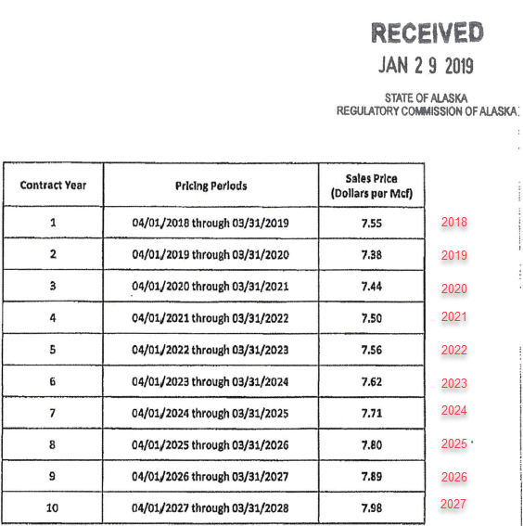
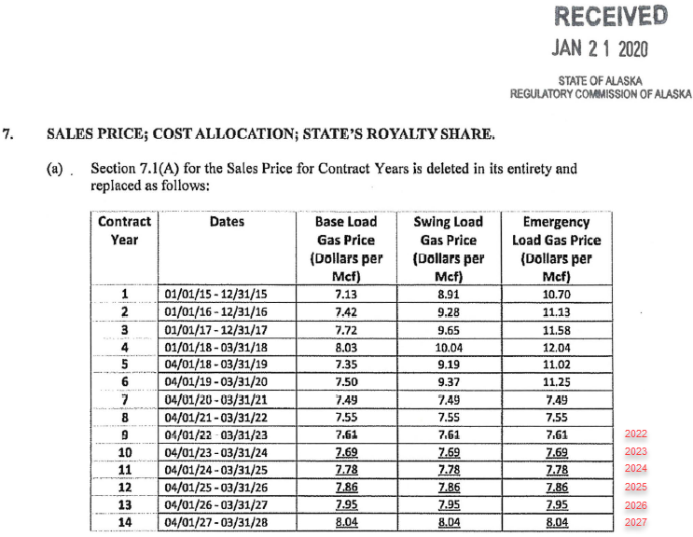
Utility | 2022 ($/Mcf) | 2023 ($/Mcf) | 2024 ($/Mcf) | 2025 ($/Mcf) | 2026 ($/Mcf) | 2027 ($/Mcf)
CEA | 7.61 | 7.69 | 7.78 | 7.86 | 7.95 | 8.04
MEA | 7.56 | 7.62 | 7.71 | 7.8 | 7.89 | 7.98
Average | 7.59 | 7.66 | 7.75 | 7.83 | 7.92 | 8.01
Source: MEA (TA 504-18) & CEA (TA 481-8) Hilcorp Contracts

 |  | MEA |  |  |  |  | CEA

